Sheet1

TEAM GREEN

GUESS HOW MANY | COMPLETED | FORFEIT
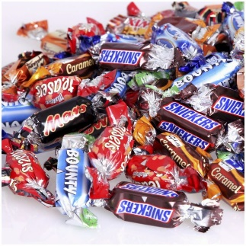

WHICH SUBJECT | COMPLETED | FORFEIT




LIBRARY STAFF | COMPLETED | FORFEIT

SHOOT-A- HOOP | COMPLETED | FORFEIT



WEBSITE RULES | COMPLETED | FORFEIT


LIBRARY OPENING HOURS | COMPLETED | FORFEIT



TUMBLING TUMBLERS | COMPLETED | FORFEIT





PRINTING @ THE LIBRARY | COMPLETED | FORFEIT



LIBRARY SPEED PUZZLE | COMPLETED | FORFEIT


CHEF WORLDWIDE | COMPLETED | FORFEIT



LIBRARY WEBSITE | COMPLETED | FORFEIT


MEDIA ROOM | COMPLETED | FORFEIT




BURJ KHALIFA | COMPLETED | FORFEIT
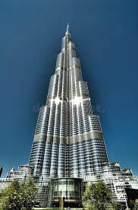


DATABASES | COMPLETED | FORFEIT


FIND THE SIGN | COMPLETED | FORFEIT


CROCHET-A-CORD | COMPLETED | FORFEIT

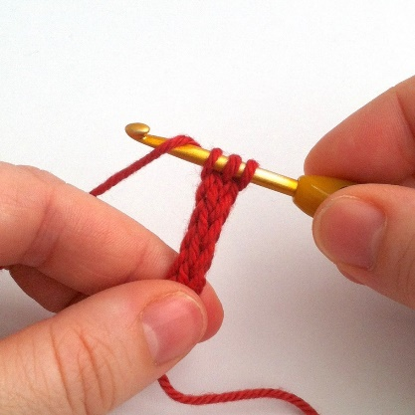

5 ENGLISH STORIES | COMPLETED | FORFEIT


AMAZING RACE ALL STARS | COMPLETED | FORFEIT

